Heating Oil 25-26
Diesel Heating Oil
Season | Cost | Unit of Measure | Fuel Usage / Winter Months | Total Cost per Month | # of months | Total Cost
2019-2020 | $3.59 | Gallons | 550 | $282.00 | 7 | $1,975.00
2020-2021 | $4.18 | Gallons | 550 | $329.00 | 7 | $2,300.00
2021 - 2022 | $4.54 | Gallons | 550 | $357.00 | 7 | $2,500.00
2022 - 2023 | $4.54 | Gallons | 550 | $357.00 | 7 | $2,500.00
2023 - 2024 | $4.54 | Gallons | 550 | $357.00 | 7 | $2,500.00
2024 - 2025 | $3.66 | Gallons | 825 | $432.00 | 7 | $3,022.00
2025 - 2026 | $3.30 | Gallons | 800 | $377.14 | 7 | $2,640.00
2026 - 2027

Payment Table

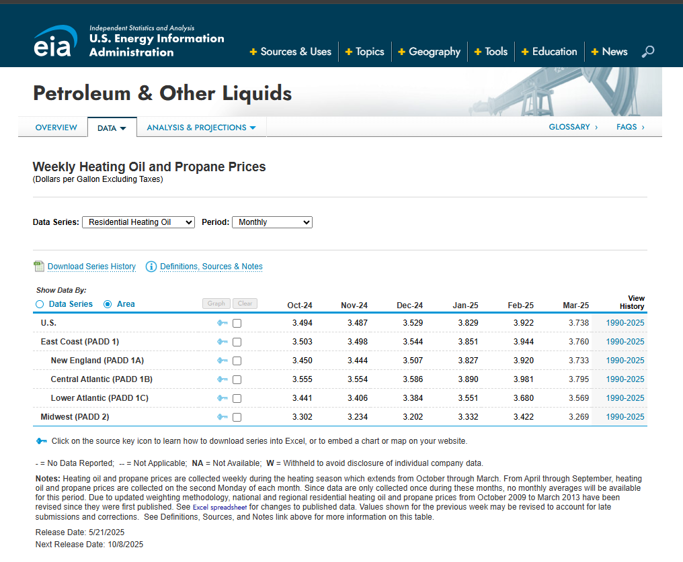
Table 1
Diesel Heating Oil
Total Fuel Cost $2640.00
10% Holdback
Range of Ref. | Ent. | Ent. | Amt. | Adj.
Fraction | Fraction | Base | Withheld | Benefit
0 - .20 | 0.8 | $2,112.00 | $211.00 | $1,901.00
.21- .25 | 0.75 | $1,980.00 | $198.00 | $1,782.00
.26 - .30 | 0.7 | $1,848.00 | $185.00 | $1,663.00
.31 - .35 | 0.65 | $1,716.00 | $172.00 | $1,544.00
.36 - .40 | 0.6 | $1,584.00 | $158.00 | $1,426.00
.41 - .45 | 0.55 | $1,452.00 | $145.00 | $1,307.00
.46 - .50 | 0.5 | $1,320.00 | $132.00 | $1,188.00
.51 - .55 | 0.45 | $1,188.00 | $119.00 | $1,069.00
.56 - .60 | 0.4 | $1,056.00 | $106.00 | $950.00
.61- .65 | 0.35 | $924.00 | $92.00 | $832.00
.66 - .70 | 0.3 | $792.00 | $79.00 | $713.00
.71 - .75 | 0.25 | $660.00 | $66.00 | $594.00
.76 - .80 | 0.2 | $528.00 | $53.00 | $475.00
.81 - .85 | 0.15 | $396.00 | $40.00 | $356.00
.86 - .99 | 0.1 | $264.00 | $26.00 | $238.00
1.00 + | 0 | $0.00 | $0.00 | $0.00

Propane 25-26
Natural Gas
Season | Cost | Unit of Measure | Fuel Usage / Winter Months | Total Cost
2019-2020 | $2.18 | Gallons | 900 | $1,145.40
2020-2021 | $2.54 | Gallons | 900 | $1,198.00
2021 - 2022 | $2.75 | Gallons | 900 | $1,296.00
2022 - 2023 | $2.68 | Gallons | 900 | $1,278.00
2023 - 2024 | $2.40 | Gallons | 900 | $1,307.00
2025-2026 | $2.60 | Gallons | 500 | $1,300.00 | **used a 500 gallon average as we also offer a one time tank fill

Payment Table
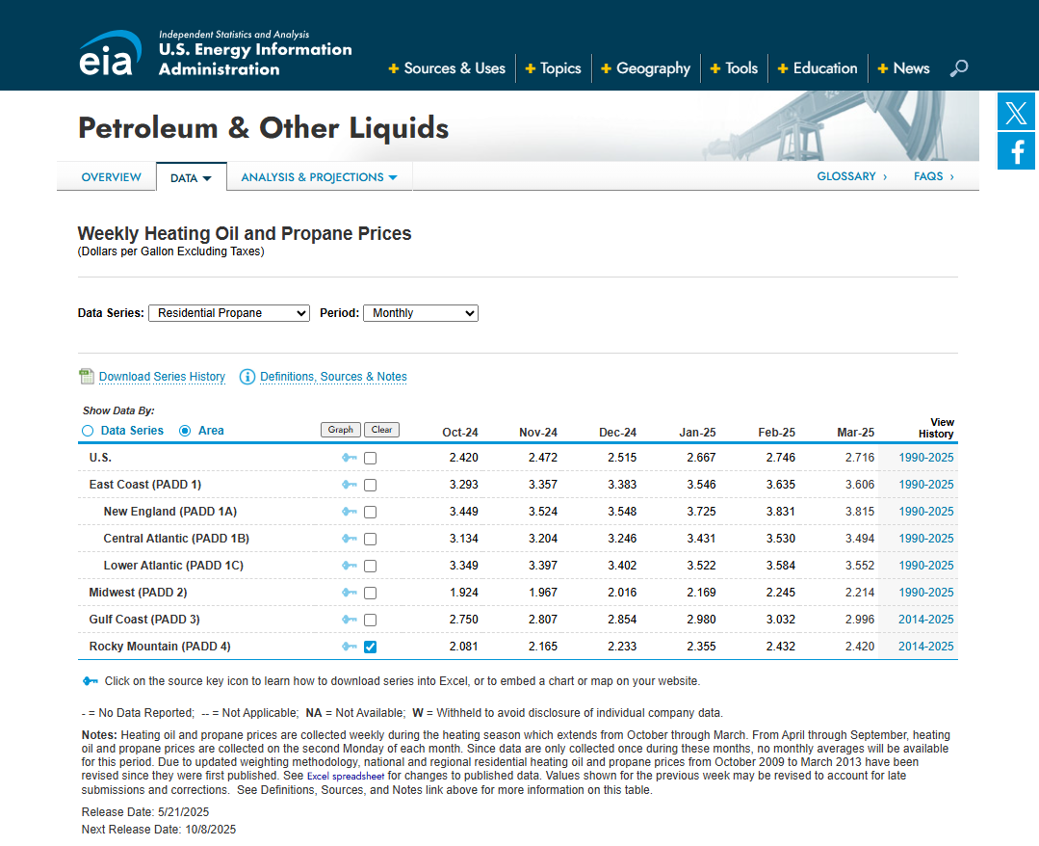
Table 1
Propane
Total Fuel Cost $1300.00
10% Holdback
Range of Ref. | Ent. | Ent. | 10% | Adj.
Fraction | Fraction | Base | Withheld | Benefit
0 - .20 | 0.8 | $1,040.00 | $104.00 | $936.00
.21- .25 | 0.75 | $975.00 | $98.00 | $877.00
.26 - .30 | 0.7 | $910.00 | $91.00 | $819.00
.31 - .35 | 0.65 | $845.00 | $85.00 | $760.00
.36 - .40 | 0.6 | $780.00 | $78.00 | $702.00
.41 - .45 | 0.55 | $715.00 | $72.00 | $643.00
.46 - .50 | 0.5 | $650.00 | $65.00 | $585.00
.51 - .55 | 0.45 | $585.00 | $59.00 | $526.00
.56 - .60 | 0.4 | $520.00 | $52.00 | $468.00
.61- .65 | 0.35 | $455.00 | $46.00 | $409.00
.66 - .70 | 0.3 | $390.00 | $39.00 | $351.00
.71 - .75 | 0.25 | $325.00 | $33.00 | $292.00
.76 - .80 | 0.2 | $260.00 | $26.00 | $234.00
.81 - .85 | 0.15 | $195.00 | $20.00 | $175.00
.86 - .99 | 0.1 | $130.00 | $13.00 | $117.00
1.00 + | 0 | $0.00 | $0.00 | $0.00

Wood 25-26
Natural Gas
Season | Cost | Unit of Measure | Fuel Usage / Winter Months | Total Cost per Month | # of months | Total Cost | Source
2019-2020 | $310.00 | Cords | 3.5 | $144.30 | 7 | $1,085.00
2020-2021 | $325.00 | Cords | 3 | $158.69 | 7 | $975.00
2021 - 2022 | $275.00 | Cords | 3 | $159.00 | 7 | $825.00
2022 - 2023 | $300.00 | Cords | 3 | $206.00 | 7 | $900.00
2023 - 2024 | $300.00 | Cords | 3 | $234.58 | 7 | $900.00
2024 - 2025 | $350.00 | Cords | 3.5 | $251.79 | 7 | $1,225.00
2025 - 2026 | $350.00 | Cords | 3.5 | $251.79 | 7 | $1,225.00

Payment Table
Table 1 |  |  |  |  |  | 2019-2020 avg @ $310/cord x 3.5 cords =$1,085
Wood
Total Fuel Cost $1225.00 |  |  |  |  |  | 2020-2021 avg @ $325/cord x 3 cords = $975
10% Holdback
Range of Ref. | Ent. | Ent. | Amt. | Adj. |  | 2022-2023 avg @ $275/cord x 3 cords = $825
Fraction | Fraction | Base | Withheld | Benefit
0 - .20 | 0.8 | $980.00 | $98.00 | $882.00 |  | 2023-2024 avg @ $300/cord x 3 cords = $900
.21- .25 | 0.75 | $918.75 | $92.00 | $826.75
.26 - .30 | 0.7 | $857.50 | $86.00 | $771.50 |  | 2024-2025 average | $350.00/cord x 3.5 cords = $1050
.31 - .35 | 0.65 | $796.25 | $80.00 | $716.25
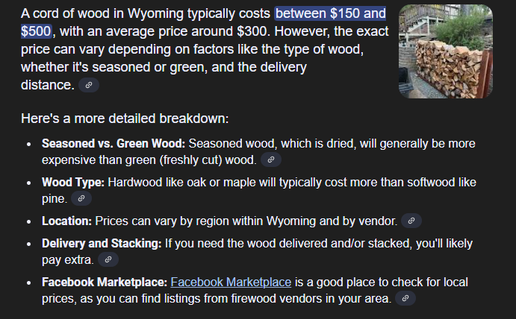
.36 - .40 | 0.6 | $735.00 | $74.00 | $661.00
.41 - .45 | 0.55 | $673.75 | $67.00 | $606.75
.46 - .50 | 0.5 | $612.50 | $61.00 | $551.50
.51 - .55 | 0.45 | $551.25 | $55.00 | $496.25
.56 - .60 | 0.4 | $490.00 | $49.00 | $441.00
.61- .65 | 0.35 | $428.75 | $43.00 | $385.75
.66 - .70 | 0.3 | $367.50 | $37.00 | $330.50
.71 - .75 | 0.25 | $306.25 | $31.00 | $275.25
.76 - .80 | 0.2 | $245.00 | $25.00 | $220.00
.81 - .85 | 0.15 | $183.75 | $18.00 | $165.75
.86 - .99 | 0.1 | $122.50 | $12.00 | $110.50
1.00 + | 0 | $0.00 | $0.00 | $0.00

